One-line diagram of the system
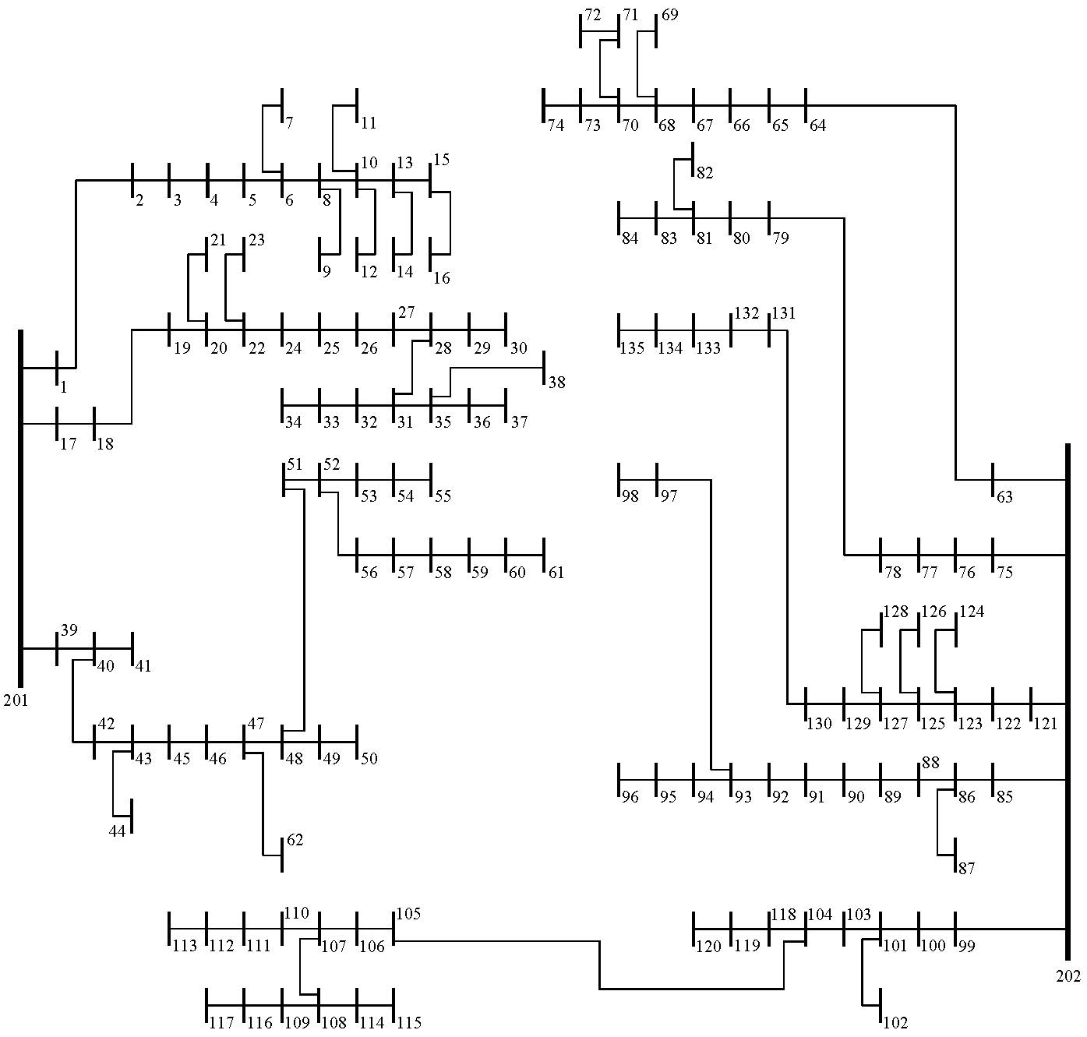
Substation nodes | 201, 202
Load nodes | 1–135

